OPIP-1000


OPIP-1000

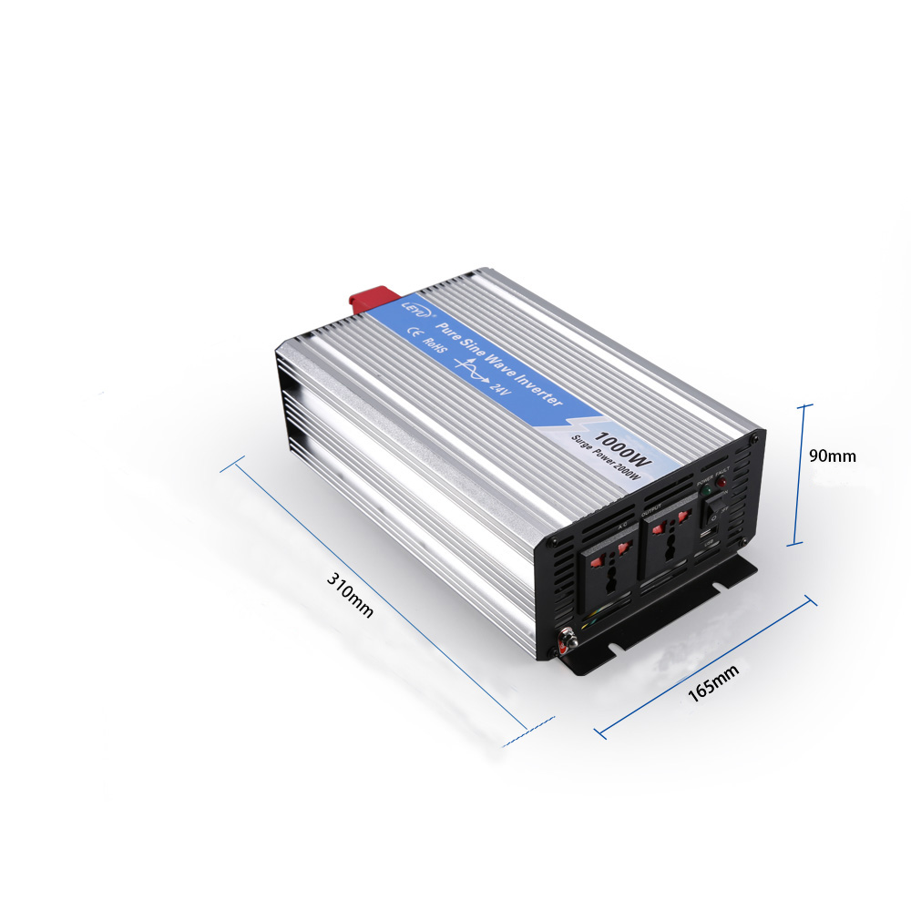
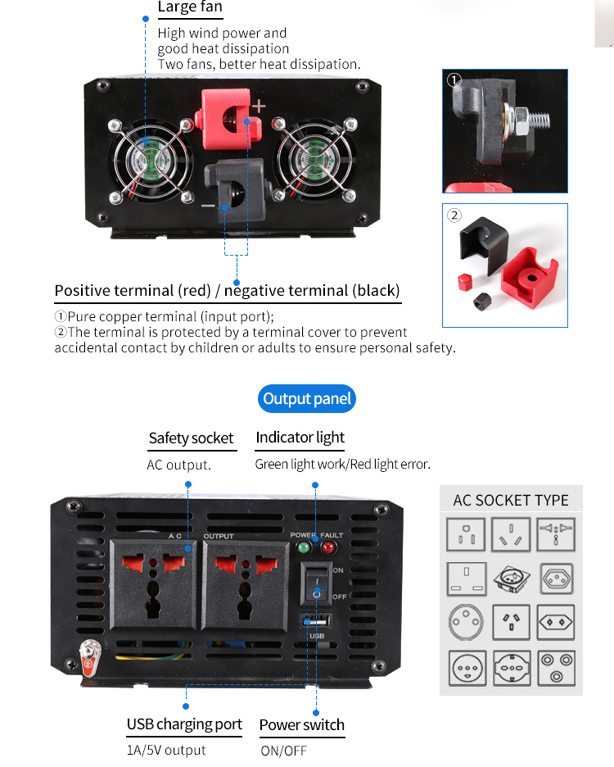

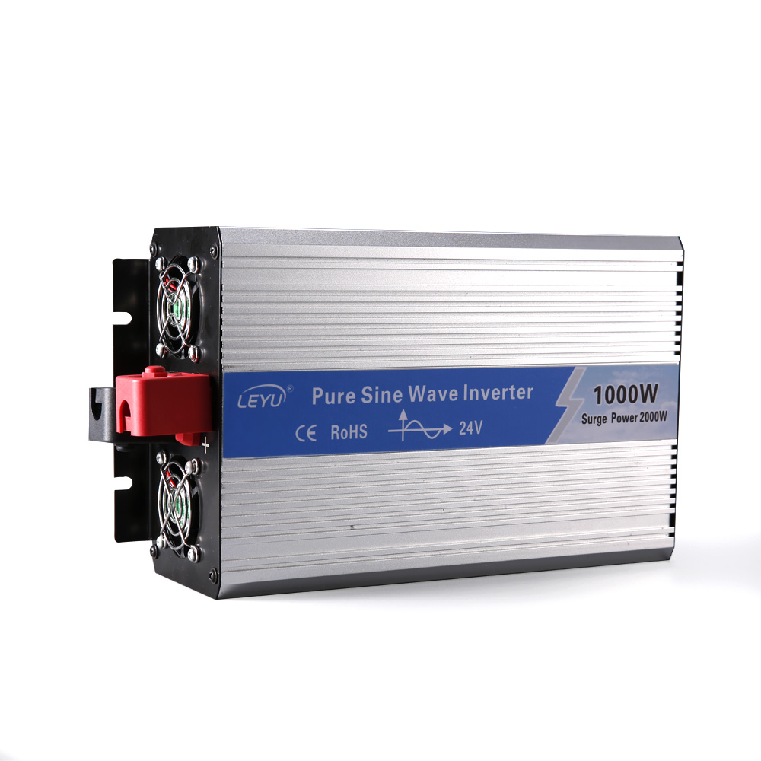

Pure Sine Wave Inverter

Rated Power: 1000W |  |  |  | Frequency: 50Hz / 60Hz
Peak Power: 2000W |  |  |  | Unit Size: 310*165*90mm
Waveform: Pure Sine Wave |  |  |  | Unit Weight / G.W.: 2820g / 3260g
DC Input Voltage: 12V / 24V |  |  |  | Box Size: 440*350*330mm
AC output Voltage: 110V / 220V |  |  |  | Quantity/CTN: 6PCS
Technical parameters

Model | OPIP-1K-1 | OPIP-1K-1 | OPIP-1K-1 | OPIP-1K-2 | OPIP-1K-2 | OPIP-1K-2
Rated power | 1000W
Peak power | 2000W
Input voltage | DC12V | DC24V | DC48V | DC12V | DC24V | DC48V
Output voltage | 100VAC or 110VAC or 120VAC±5% |  |  | 220VAC or 230VAC or 240VAC±5%
Unload current less than | 0.8A | 0.5A | 0.3A | 0.8A | 0.5A | 0.3A
Output frequency | 50Hz±0.5Hz or 60Hz±0.5Hz
Output waveform | Pure Sine Wave
Waveform distortion | THD<3%(Linear load)
USB port | 5V 1A
Max.efficiency | 90%
Input voltage range | 10-15.5V | 20-31V | 40-61V | 10-15.5V | 20-31V | 40-61V
Low voltage alarm | 10.5±0.5V | 21±0.5V | 42±1V | 10.5±0.5V | 21±0.5V | 42±1V
Low voltage protection | 10±0.5V | 20±0.5V | 40±15V | 10±0.5V | 20±0.5V | 40±15V
Over voltage protection | 15.5±0.5V | 31±0.5V | 61±1V | 15.5±0.5V | 31±0.5V | 61±1V
Low voltage recover | 13±0.5V | 24±0.5V | 48±1V | 13±0.5V | 24±0.5V | 48±1V
Over voltage recover | 14.8V±0.5V | 29.5V±0.5V | 59V±1V | 14.8V±0.5V | 29.5V±0.5V | 59V±1V
Protection function | Low voltage |  | Alarm at first, voltage continously reduce. LED Red light on & shut sown.
 | Over voltage |  | LED Red light on, shut down
 | Over load |  | LED Red light on, shut down
 | Over temperature |  | Alarm at first, tempurature continously rise.LED Red light on & shut sown
 | Short circuit |  | LED Red light on
 | Input reverse polarity |  | Fuse burn-out
Working temperature | -10°- +50°
Storage temperature | -30°- +70°
Dimension(mm) | 310x165x90mm
Packing(mm) | 330x215x105mm
Net./gross weight(g) | 2820/3260g
QTY/Ctn | 6 Pcs
Meas./Ctn(mm) | 440x350x330mm
Gross weight/Ctn(g) | 3260g
Warranty | 18 months
Configuration | Standard
Cooling method | Intelligent air cooling

Note: Our products update constantly.The technical parameter is for reference only.Please refer to our real product.

Wanjia Industrial Park, Beibaixiang Town, Yueqing City, Zhejiang Province, CHINA

